Ti-6Ag
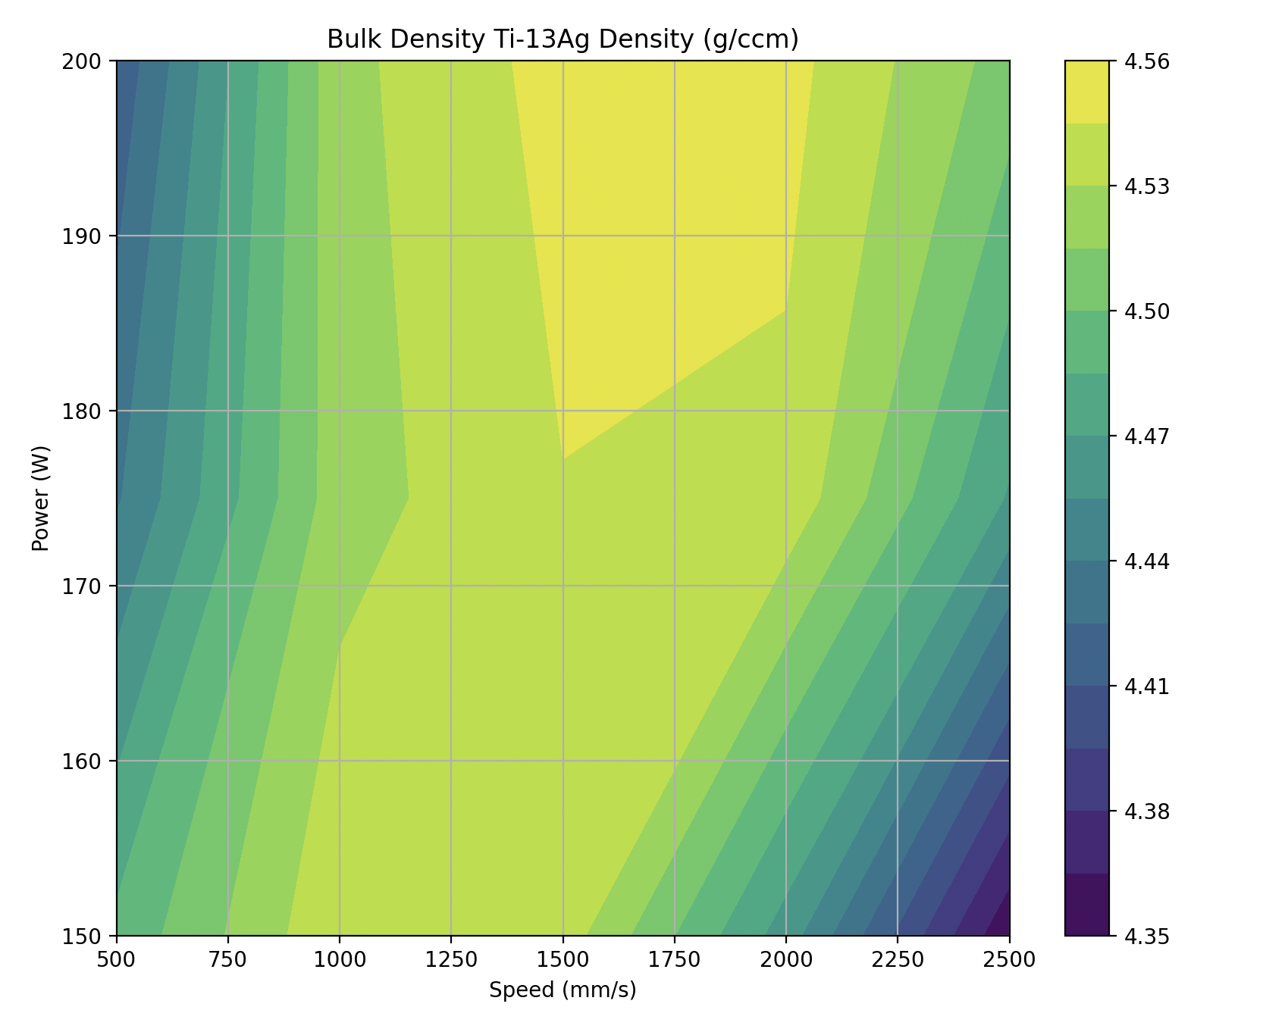
Cube ID | Speed (mm/s) | Power (W) | Energy Density (J/m) | Density AVG (g/cm^3) | σ | Density (1) | Density (2) | Density (3) | EDX Quant (wt% Ag)
9 | 1500 | 200 | 133.33333333 | 4.5508 | 0.021408954513 | 4.5700 | 4.5546 | 4.5277 | 2.99
12 | 2000 | 200 | 100 | 4.5501 | 0.012016793804 | 4.5385 | 4.5625 | 4.5494 | 4.73
8 | 1500 | 175 | 116.66666667 | 4.5444 | 0.00057735026919 | 4.5451 | 4.5441 | 4.5441 | 4.59
4 | 1000 | 150 | 150 | 4.5425 | 0.011852847759 | 4.5545 | 4.5422 | 4.5308 | 3.63
11 | 2000 | 175 | 87.5 | 4.5411 | 0.0054286278193 | 4.5393 | 4.5472 | 4.5368
7 | 1500 | 150 | 100 | 4.5377 | 0.0071395611443 | 4.5368 | 4.5310 | 4.5452 | 2.72
6 | 1000 | 200 | 200 | 4.5255 | 0.0095049110113 | 4.5151 | 4.5337 | 4.5278
5 | 1000 | 175 | 175 | 4.5235 | 0.014645590918 | 4.5374 | 4.5248 | 4.5082
15 | 2500 | 200 | 80 | 4.5086 | 0.001628905563 | 4.5067 | 4.5097 | 4.5093
1 | 500 | 150 | 300 | 4.4892 | 0.0076159919468 | 4.4834 | 4.4863 | 4.4978
14 | 2500 | 175 | 70 | 4.4682 | 0.0029715315916 | 4.4648 | 4.4703 | 4.4695
10 | 2000 | 150 | 75 | 4.4626 | 0.016400101626 | 4.4744 | 4.4696 | 4.4439
2 | 500 | 175 | 350 | 4.4380 | 0.020636860226 | 4.4566 | 4.4416 | 4.4158
3 | 500 | 200 | 400 | 4.4131 | 0.016657230662 | 4.4226 | 4.4229 | 4.3939
13 | 2500 | 150 | 60 | 4.3521 | 0.021862372546 | 4.3280 | 4.3707 | 4.3575

JR222 - Ti-6Ag (wt%) Archimedes

Ti-15Ag
Cube ID | Row | Column | Speed (mm/s) | Power (W) | Energy Density (J/m) | Density 1 | Density 2 | Density 3 | Density AVG | STDEV | Row | 1 | 2 | 3
1 | 1 | 1 | 1000 | 150 | 150 | 4.6758 | 4.6739 | 4.6679 | 4.6725 | 0.0041235098318 | 1 | 4.6758 | 4.6739 | 4.6679
2 | 1 | 2 | 1500 | 150 | 100 | 4.7354 | 4.7243 | 4.7345 | 4.7314 | 0.0061652250567 |  | 4.7354 | 4.7243 | 4.7345
3 | 1 | 3 | 1500 | 200 | 133.33333333 | 4.6724 | 4.6695 | 4.6545 | 4.6655 | 0.0096074623774 |  | 4.6724 | 4.6695 | 4.6545
4 | 1 | 4 | 2000 | 200 | 100 | 4.6811 | 4.6682 | 4.6732 | 4.6742 | 0.0065041012702 |  | 4.6811 | 4.6682 | 4.6732
5 | 2 | 1 | 1000 | 150 | 150 | 4.6376 | 4.6426 | 4.6525 | 4.6442 | 0.0075830952344 | 2 | 4.6376 | 4.6426 | 4.6525
6 | 2 | 2 | 1500 | 150 | 100 | 4.7128 | 4.7120 | 4.6957 | 4.7068 | 0.0096500431778 |  | 4.7128 | 4.7120 | 4.6957
7 | 2 | 3 | 1500 | 200 | 133.33333333 | 4.6590 | 4.6391 | 4.6491 | 4.6491 | 0.009950041876 |  | 4.6590 | 4.6391 | 4.6491
8 | 2 | 4 | 2000 | 200 | 100 | 4.6658 | 4.6579 | 4.6568 | 4.6602 | 0.0049095145721 |  | 4.6658 | 4.6579 | 4.6568
1+ | 3 | 1 | 1000 | 150 | 150 | 4.6775 | 4.6517 | 4.6527 | 4.6606 | 0.014615516868 | 3 | 4.6775 | 4.6517 | 4.6527
2+ | 3 | 2 | 1500 | 150 | 100 | 4.7139 | 4.7171 | 4.7202 | 4.7171 | 0.0031501322724 |  | 4.7139 | 4.7171 | 4.7202
3+ | 3 | 3 | 1500 | 200 | 133.33333333 | 4.6722 | 4.6583 | 4.6554 | 4.6620 | 0.0089801633244 |  | 4.6722 | 4.6583 | 4.6554
4+ | 3 | 4 | 2000 | 200 | 100 | 4.6708 | 4.6629 | 4.6498 | 4.6612 | 0.010606758851 |  | 4.6708 | 4.6629 | 4.6498
5+ | 4 | 1 | 1000 | 150 | 150 | 4.6868 | 4.6849 | 4.7040 | 4.6919 | 0.010521881961 | 4 | 4.6868 | 4.6849 | 4.7040
6+ | 4 | 2 | 1500 | 150 | 100 | 4.7405 | 4.7458 | 4.7540 | 4.7468 | 0.0068017154699 |  | 4.7405 | 4.7458 | 4.7540
7+ | 4 | 3 | 1500 | 200 | 133.33333333 | 4.6959 | 4.7101 | 4.7091 | 4.7050 | 0.0079254863153 |  | 4.6959 | 4.7101 | 4.7091
8+ | 4 | 4 | 2000 | 200 | 100 | 4.6965 | 4.6936 | 4.6926 | 4.6942 | 0.0020256686139 |  | 4.6965 | 4.6936 | 4.6926

Ti-25Ag
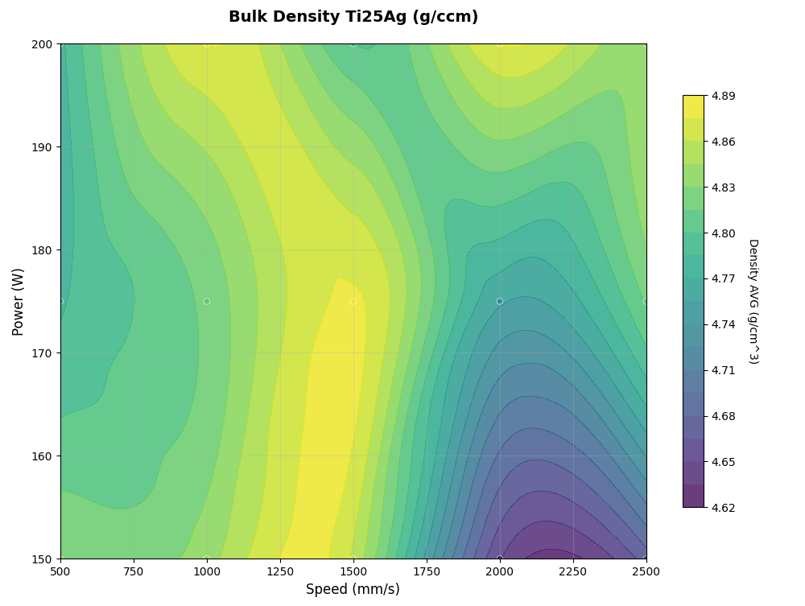
Cube ID | Speed (mm/s) | Power (W) | Energy Density (J/m) | Density AVG (g/cm^3) | σ | Density (1) | Density (2) | Density (3) | Density (4) | Density (5) | Density (6) | EDX Quant (wt% Ag)
8 | 1500 | 175 | 116.66666667 | 4.8771 | 0.034107633554 | 4.8174 | 4.8841 | 4.8583 | 4.9090 | 4.8925 | 4.9015 | 19.49
12 | 2000 | 200 | 100 | 4.8750 | 0.017337550769 | 4.8702 | 4.8493 | 4.8639 | 4.8808 | 4.8957 | 4.8903 | 20.35
6 | 1000 | 200 | 200 | 4.8750 | 0.011086688715 | 4.8572 | 4.8710 | 4.8700 | 4.8851 | 4.8863 | 4.8802 | 21.54
7 | 1500 | 150 | 100 | 4.8570 | 0.027732868586 | 4.8219 | 4.8301 | 4.8552 | 4.8965 | 4.8652 | 4.8731 | 16.72
4 | 1000 | 150 | 150 | 4.8390 | 0.025207598061 | 4.8218 | 4.8138 | 4.8394 | 4.8683 | 4.8708 | 4.8196
15 | 2500 | 200 | 80 | 4.8355 | 0.020128329952 | 4.8149 | 4.8376 | 4.8439 | 4.8127 | 4.8672 | 4.8368 | 18.12
1 | 500 | 150 | 300 | 4.8306 | 0.028271569936 | 4.8233 | 4.8012 | 4.8155 | 4.8589 | 4.8721 | 4.8125
5 | 1000 | 175 | 175 | 4.8195 | 0.030706611666 | 4.7972 | 4.8012 | 4.7891 | 4.8633 | 4.8514 | 4.8148
14 | 2500 | 175 | 70 | 4.8169 | 0.014827103561 | 4.8191 | 4.8346 | 4.8160 | 4.8230 | 4.7897 | 4.8187
9 | 1500 | 200 | 133.33333333 | 4.8001 | 0.026363288869 | 4.7830 | 4.7609 | 4.8073 | 4.8393 | 4.8025 | 4.8073 | 15.08
2 | 500 | 175 | 350 | 4.7828 | 0.022872341376 | 4.7806 | 4.7571 | 4.7822 | 4.7591 | 4.8053 | 4.8125
3 | 500 | 200 | 400 | 4.7809 | 0.022021966306 | 4.7797 | 4.8105 | 4.7672 | 4.7807 | 4.7985 | 4.7485
11 | 2000 | 175 | 87.5 | 4.7573 | 0.020245855543 | 4.7536 | 4.7546 | 4.7700 | 4.7884 | 4.7489 | 4.7285
13 | 2500 | 150 | 60 | 4.6725 | 0.015394241348 | 4.6470 | 4.6662 | 4.6795 | 4.6687 | 4.6840 | 4.6898
10 | 2000 | 150 | 75 | 4.6513 | 0.026798208895 | 4.6405 | 4.6546 | 4.6690 | 4.6159 | 4.6920 | 4.6358

JR265 - Ti-25Ag (wt%) Archimedes
JR265 - Ti-25Ag (wt%) Archimedes

